Sheet1
Category | Label | Value1 | Value2 | Value3 | Value4 | Value 5 | Vlaue 6 | Value 7 | Value 8
Bug ID | ID number | 1 | 3 | 5 | 6 | 7 | s | 9 | 10
 | Name | User is allowed to register with two different last names entered in Last Name field of the Registration form | It's allowed to register with special characters as last name | Registration form accepts 6 <space> special characters as password | The email input in the registration form allows user to enter already registered email address | “Send to friend” button sends a message despite the invalid format of the email entered | 123456 articles can be added to the cart | The banner with the title “Sale 70% of all products” does not direct to the discount page | The ad with the title “Summer collection 45% off” on the Home page direct to the non-related website
 | Reporter | Vera Nikolic | Vera Nikolic | Vera Nikolic | Vera Nikolic | Vera Nikolic | Vera Nikolic | Vera Nikolic | Vera Nikolic
 | Submit Date | 03.04.2020. | 03.04.2020. | 03.04.2020. | 03.04.2020. | 03.04.2020. | 03.04.2020. | 03.04.2020. | 03.04.2020.
Bug overview | Relates to
 | Screenshot |  | 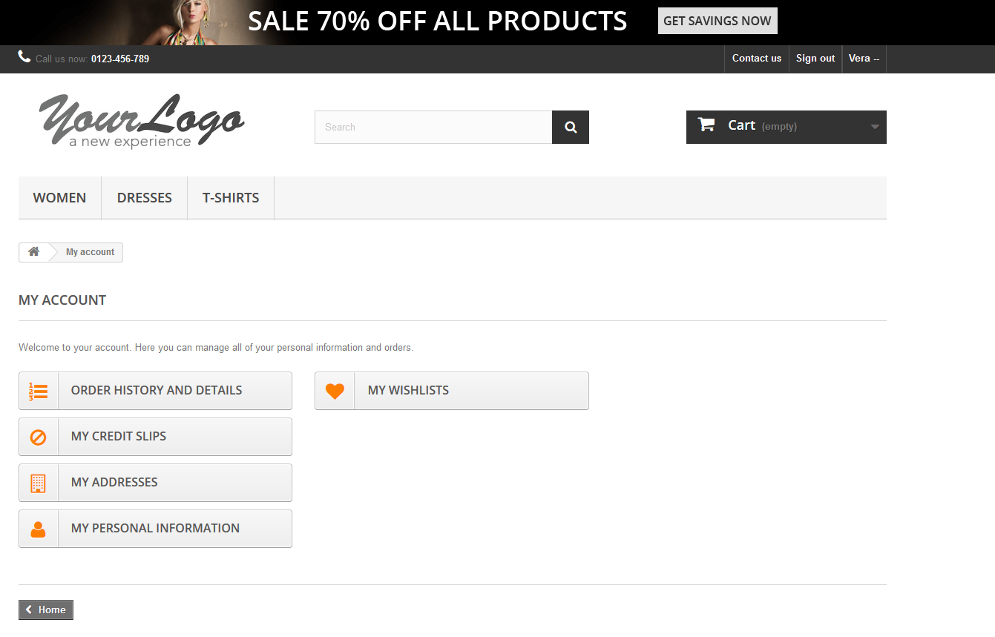 | 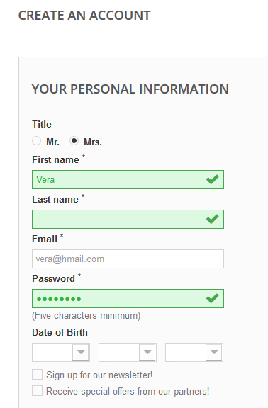 | 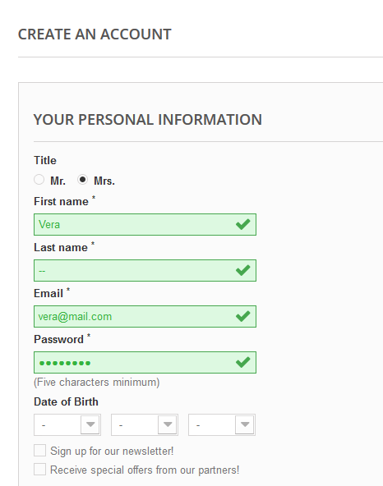 | 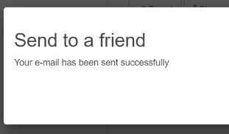 | 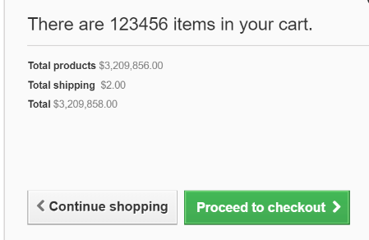 |  | 
Environment | Platform
 | Operating System | Windows 10 | Windows 10 | Windows 10 | Windows 10 | Windows 10 | Windows 10 | Windows 10 | Windows 10
 | Browser | Firefox | Firefox | Firefox | Firefox | Firefox | Firefox | Firefox | Firefox
Bug details | Steps to reproduce | 1. Go to http://automationpractice.com/index.php 2. Click Sign in 3. In field Email address enter "vera@mail.com" 4.Click Create an account 5. Enter Vera in field First Name 6. Enter Nikolic in field Last name 7. Enter "vera@mail.com" in field Email 8. Enter 123456 in field password 9. Enter Vera in field First name 10. Enter Petrovic in field Last name 11. Enter Homoljska 8 in field Address 12. Enter Belgrade in field City 13. Choose Iowa in drop-down menu State 14. Enter 11000 in field Zip 15. Chose United States in drop-down menu Country 16. Enter 123456789 in field mobile phone 17. Enter Garsije 8 in field alias adress 18. Click Register | 1. Go to http://automationpractice.com/index.php 2. Click Sign in 3. In field Email address enter "vera@hmail.com" 4.Click Create an account 5. Enter Vera in field First Name 6. Enter --- in field Last name 7. Enter "vera@hmail.com" in field Email 8. Enter 123456 in field password 9. Enter Vera in field First name 10. Enter Nikolic in field Last name 11. Enter Homoljska 8 in field Address 12. Enter Belgrade in field City 13. Choose Iowa in drop-down menu State 14. Enter 11000 in field Zip 15. Chose United States in drop-down menu Country 16. Enter 123456789 in field mobile phone 17. Enter Garsije 8 in field alias adress 18. Click Register | 1. Go to http://automationpractice.com/index.php 2. Click Sign in 3. In field Email address enter "vera@hmail.com" 4.Click Create an account 5. Enter Vera in field First Name 6. Enter --- in field Last name 7. Enter "vera@hmail.com" in field Email 8. Enter 123456 in field password 9. Enter Vera in field First name 10. Enter Nikolic in field Last name 11. Enter Homoljska 8 in field Address 12. Enter Belgrade in field City 13. Choose Iowa in drop-down menu State 14. Enter 11000 in field Zip 15. Chose United States in drop-down menu Country 16. Enter 123456789 in field mobile phone 17. Enter Garsije 8 in field alias adress 18. Click Register | 1. Go to http://automationpractice.com/index.php 2. Click Sign in 3. In field Email address enter "vera@hmail.com" 4.Click Create an account 5. Enter Vera in field First Name 6. Enter --- in field Last name 7. Enter "vera@hmail.com" in field Email 8. Enter 123456 in field password 9. Enter Vera in field First name 10. Enter Nikolic in field Last name 11. Enter Homoljska 8 in field Address 12. Enter Belgrade in field City 13. Choose Iowa in drop-down menu State 14. Enter 11000 in field Zip 15. Chose United States in drop-down menu Country 16. Enter 123456789 in field mobile phone 17. Enter Garsije 8 in field alias adress 18. Click Register | 1. Go to http://automationpractice.com/index.php 2. Click on Dresses, 3. Click on the first dress named Printed Dress, 4. Click on a send to a friend button, 5. In field name type Marija, 6. In field email type mara@yahoo. Click send | 1. Go to http://automationpractice.com/index.php 2. Click on Dresses 3. Click on the first dress named Printed Dress 4. Type 123456 in the field Quantity 5. Click add to cart | 1. Go to http://automationpractice.com/index.php 2. Click on the banner with the title "Sale 70% off all products" | 1. Go to http://automationpractice.com/index.php 2. Click on ad with the title "Summer collection 45% off"
 | Expected result | The website should not allow User to register a new user, if different last names are used in both Last Name inputs of registration form | The website should not allow User to register with special characters as last name | Registration form should not accept 6 <space> special characters as password | The email input in the registration form should become red, considering the fact that email "vera@mail.com" is already registered | The message should not be sent due to the incorrect format of email address | 123456 articles should not be added to the cart | User should be redirected to the discount page | User should be directed to the page where articles to which the 45% discount has been applied
 | Actual result | User is allowed to register with two different last names entered in Last Name inputs | It's allowed to register with special characters as last name | Registration form accepts 6 <space> special characters as password | The field for email does not become red, despite the fact that email "vera@mail.com" is already registered | The message has been sent, despite the invalid format of the email address | 123456 articles are added to the cart | User is still directed to the home page | User is directed to the non-related page
 | Description
Bug tracking | Severity | high | high | high | high | medium | high | medium | high
 | Assigned to | / | / | / | / | / | / | /
 | Priority | high | high | high | high | medium | high | medium | high
Notes | Notes

